grain size analysis
* grain-size distribution of bed material (2013) _ grid sampling(Hack_1947)

* particle size distribution of suspended sediment (2013)_Laser Diffraction |  |  |  |  |  |  |  |  | * grain-size distribution of bed material (2013)_Sieve

No | particle size distribution of suspended sediment (%) |  |  |  |  |  |  |  | particle size time | D10 | D30 | D35 | D60 | D65 | 균등계수 Coefficient of uniformity (Cu) | 곡률계수 Coefficient of curvature (Cg)
 | range (mm) |  |  |  |  |  |  |  | 홍수전 (before the flood) | 0.19 | 0.52 | 0.57 | 0.84 | 0.89 | 4.40 | 1.67
 | 0.0020~ | 0.063~ | 0.126~ | 0.26~ | 0.51~ | 1.1~ | 2.1~ | 4.1~ | 홍수후(after the flood ) | 0.21 | 0.45 | 0.50 | 0.77 | 0.83 | 3.63 | 1.20
 | 0.062 | 0.125 | 0.25 | 0.5 | 1 | 2 | 4 | 8 | 평균 (mean) | 0.20 | 0.48 | 0.54 | 0.81 | 0.86 | 4.01 | 1.44
1 | 84.57 | 11.79 | 1.36 | 0 | 0 | 0 | 0 | 0 | particle size time | D5 | D10 | D15 | D20 | D25 | D30 | D35 | D40 | D45 | D50 | D55 | D60 | D65 | D70 | D75 | D80 | D85 | D90 | D95 | D100
2 | 81.63 | 7.06 | 2.31 | 0.68 | 0.71 | 1.95 | 0.9 | 0 | 홍수전 (before the flood) | 0.11 | 0.19 | 0.27 | 0.35 | 0.44 | 0.52 | 0.57 | 0.62 | 0.67 | 0.75 | 0.78 | 0.84 | 0.89 | 0.95 | 1.09 | 1.85 | 3.89 | 8.23 | 12.07 | 16.00
3 | 84.99 | 8.08 | 2.31 | 0.18 | 0.13 | 0.73 | 0.47 | 0 | 홍수후 (after the flood ) | 0.13 | 0.21 | 0.28 | 0.34 | 0.39 | 0.45 | 0.50 | 0.55 | 0.61 | 0.67 | 0.72 | 0.77 | 0.83 | 0.88 | 0.94 | 0.99 | 1.78 | 4.09 | 9.75 | 16.00
4 | 82.31 | 7.77 | 2.1 | 0.41 | 1 | 3.21 | 1.38 | 0 | 평균 (mean) | 0.12 | 0.20 | 0.27 | 0.35 | 0.41 | 0.48 | 0.54 | 0.59 | 0.64 | 0.71 | 0.75 | 0.81 | 0.86 | 0.92 | 1.02 | 1.42 | 2.84 | 6.16 | 10.91 | 16.00
5 | 52.96 | 13.49 | 26.35 | 6.15 | 0.24 | 0.07 | 0 | 0
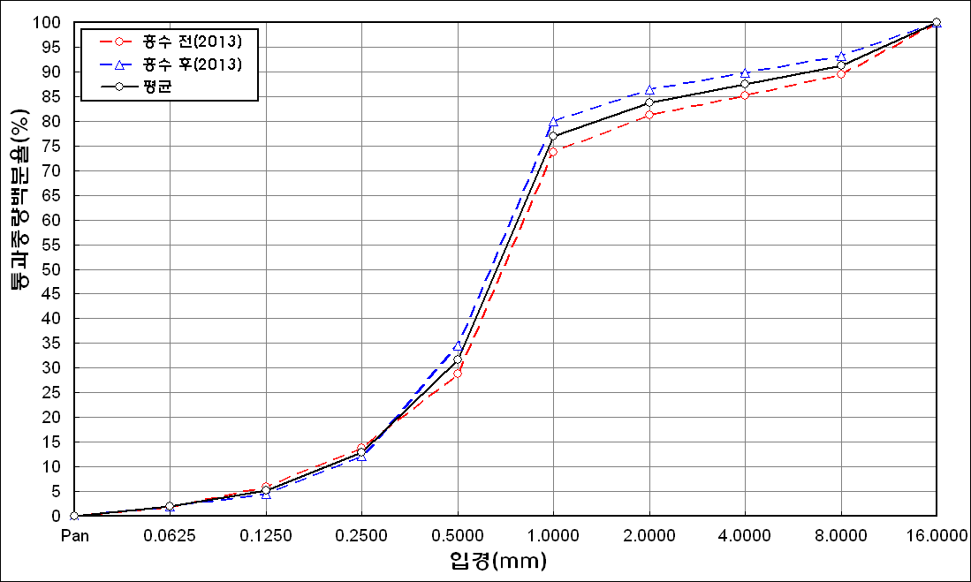
before the flood (2013)
after the flood (2013)
mean
percent passing(%)
particle size (mm)
6 | 65.29 | 16.49 | 14.32 | 2.64 | 0.17 | 0.04 | 0 | 0
7 | 82.01 | 12.34 | 3.51 | 0.25 | 0.11 | 0.32 | 0.1 | 0
8 | 68.9 | 25.03 | 5.12 | 0.22 | 0 | 0 | 0 | 0
9 | 62.77 | 22.7 | 11.06 | 0.82 | 0 | 0 | 0 | 0
10 | 77.71 | 13.72 | 5.89 | 0.25 | 0 | 0 | 0 | 0
11 | 79.27 | 15.33 | 3.75 | 0 | 0 | 0 | 0 | 0
12 | 75.39 | 10.73 | 5.63 | 1.61 | 0.69 | 2.77 | 1.52 | 0
13 | 77.17 | 11.35 | 5.99 | 2.13 | 0.52 | 0.69 | 0.32 | 0
14 | 77.3 | 13.51 | 7.13 | 0.28 | 0 | 0 | 0 | 0
15 | 68.77 | 14.37 | 10.78 | 3.13 | 0.38 | 0.56 | 0.37 | 0
mean | 74.74 | 13.58 | 7.17 | 1.25 | 0.26 | 0.69 | 0.34 | 0

* grain-size distribution of bed material (2014) _ grid sampling(Hack_1947)

* particle size distribution of suspended sediment (2014)_Laser Diffraction
 |  |  |  |  |  |  |  |  | * grain-size distribution of bed material (2014)_Sieve
No | particle size distribution of suspended sediment (%)
 | range (mm) |  |  |  |  |  |  |  | particle size time | D10 | D30 | D35 | D60 | D65 | 균등계수 Coefficient of uniformity (Cu) | 곡률계수 Coefficient of curvature (Cg)
 | 0.0020~ | 0.063~ | 0.126~ | 0.26~ | 0.51~ | 1.1~ | 2.1~ | 4.1~ | 홍수전 (before the flood) | 0.38 | 1.02 | 1.09 | 11.20 | 14.40 | 29.47 | 0.24
 | 0.062 | 0.125 | 0.25 | 0.5 | 1 | 2 | 4 | 8 | 홍수후(after the flood ) | 0.37 | 0.73 | 0.82 | 1.54 | 4.39 | 4.16 | 0.94
1 | 41.61 | 20.48 | 7.42 | 3.44 | 8.12 | 12.89 | 6.03 | 0 | 평균 (mean) | 0.38 | 0.88 | 0.96 | 6.37 | 9.40 | 16.99 | 0.32
2 | 76.79 | 14.22 | 4.85 | 0.82 | 0.28 | 0.45 | 0.17 | 0 | particle size time | D5 | D10 | D15 | D20 | D25 | D30 | D35 | D40 | D45 | D50 | D55 | D60 | D65 | D70 | D75 | D80 | D85 | D90 | D95 | D100
3 | 64.4 | 15.87 | 9.18 | 3.89 | 1.09 | 2.91 | 1.81 | 0 | 홍수전 (before the flood) | 0.29 | 0.38 | 0.48 | 0.82 | 0.89 | 1.02 | 1.09 | 1.22 | 1.29 | 2.00 | 6.80 | 11.20 | 14.40 | 17.50 | 22.75 | 26.50 | 31.50 | 38.25 | 49.80 | 75.00
4 | 24.08 | 16.29 | 36.73 | 19.24 | 2.84 | 0.62 | 0.19 | 0 | 홍수후 (after the flood ) | 0.27 | 0.37 | 0.47 | 0.58 | 0.65 | 0.73 | 0.82 | 0.90 | 0.97 | 1.06 | 1.14 | 1.54 | 4.39 | 9.58 | 14.85 | 20.14 | 26.17 | 32.83 | 42.32 | 75.00
5 | 52.34 | 29.07 | 14.4 | 3.44 | 0.46 | 0 | 0 | 0 | 평균 (mean) | 0.28 | 0.38 | 0.48 | 0.70 | 0.77 | 0.88 | 0.96 | 1.06 | 1.13 | 1.53 | 3.97 | 6.37 | 9.40 | 13.54 | 18.80 | 23.32 | 28.84 | 35.54 | 46.06 | 75.00
before the flood (2014)
after the flood (2014)
mean
percent passing(%)
particle size (mm)
6 | 59.71 | 29.07 | 14.4 | 4.43 | 0.46 | 0 | 0 | 0
7 | 77.12 | 10.87 | 8.83 | 1.88 | 0.19 | 0 | 0 | 0
8 | 83.6 | 11.67 | 3.57 | 0.18 | 0 | 0 | 0 | 0
9 | 77.07 | 8.58 | 10.14 | 2.11 | 0.02 | 0 | 0 | 0
10 | 85.06 | 6.76 | 4.32 | 1.01 | 0.02 | 0 | 0 | 0
11 | 87.61 | 5.67 | 1.97 | 0.15 | 0 | 0 | 0 | 0
12 | 83.91 | 8.65 | 4.23 | 0.88 | 0 | 0 | 0 | 0
13 | 78.52 | 12.69 | 5.53 | 1.62 | 0.04 | 0 | 0 | 0
14 | 80.63 | 11.24 | 4.86 | 1.43 | 0.02 | 0 | 0 | 0
15 | 82.57 | 7.82 | 4.58 | 2.38 | 0.17 | 0 | 0 | 0
16 | 83.19 | 9.7 | 4.25 | 0.67 | 0 | 0 | 0 | 0
17 | 86.73 | 4.98 | 2.17 | 0.49 | 0.06 | 0 | 0 | 0
18 | 87.9 | 6.15 | 1 | 0.03 | 0 | 0 | 0 | 0
mean | 70.33 | 13.93 | 9 | 3.13 | 0.91 | 1.12 | 0.55 | 0

